Summary

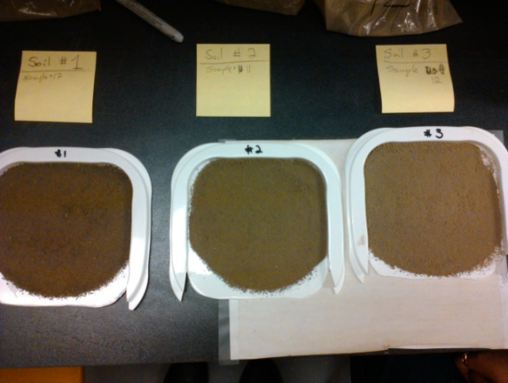
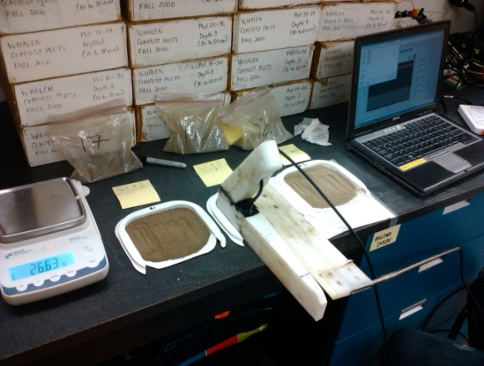

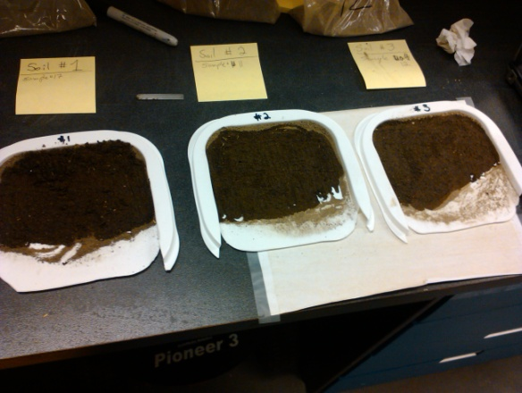
MS1 (New) |  |  |  |  |  |  | Soil 1 |  | Soil 2 |  | Soil 3
Type | D1 | W1 | S1 |  |  | Moisture | MS1-S1 | MS2-S1 | MS1-S2 | MS2-S2 | MS1-S3 | MS2-S3
Soil 1 | 3.109 | 2.982 | 2.728 |  |  | 0% | 3.109 | 3.206 | 3.107 | 3.207 | 3.106 | 3.205
Soil 2 | 3.107 | 3.000 | 2.704 |  |  | 30% | 2.982 | 3.106 | 3.000 | 3.126 | 2.968 | 3.107
Soil 3 | 3.106 | 2.968 | 2.710 | D | Dry | 60% | 2.728 | 3.006 | 2.704 | 3.027 | 2.710 | 3.042
 |  |  |  | W | 30 % wet
Calibration on 3 soils
MS2 (Old) |  |  |  | S | 60 % wet (saturated)
Type | D2 | W2 | S2
Soil 1 | 3.206 | 3.106 | 3.006
Soil 2 | 3.207 | 3.126 | 3.027
Soil 3 | 3.205 | 3.107 | 3.042

Sensor response

